Sheet1
Quotient | A | B | Remainder
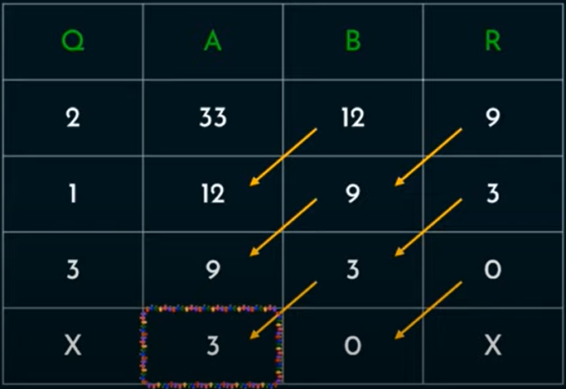
Quotient(Q) = A / B;
Remainder(R) = A % B;
new A = old B;
new B = Remainder
repeat until B = 0 then A = GCD

